Overview
Points monetisation space
 |  |  |  |  | Store points value distribution
Input |  |  | Calculated |  | Pack | Kit | Celebration | Original
 |  |  | Per user points value in the store | 1686667 | 64% | 27% | 9% | 0%

MAU | 805250 |  | Per user USD value in the store | 404.8
Payers | 10.4% |  | Per user monetization space (points) | 990000
Acc points grinded by top active players | 1050000 |  |  |  |  |  | chart data
Acc points grinded by most players | 60000 |  | Total rev packs (805250 MAU) | $2,508,515 |  |  | Points grinded by most | 60000
Originals rev share | 0.7 |  | Total rev kits (805250 MAU) | $63,397 |  |  | Points grinded by top active players | 1050000
 |  |  | Total rev celebrations (805250 MAU) | $148,528 |  |  | Accumulated points available in the Store | 1686667
 |  |  | Total rev originals (805250 MAU) | $0
 |  |  | Total originals after rev share (805250 MAU) | $0
next steps |  |  | Total rev (805250 MAU) | $2,720,440
kolla med frans en draft på packs |  |  | ARPU | $3.38
kolla med joacim en draft på kits |  |  | ARPPU | $32.48
kolla celebrtions |  |  | Store fulfillment vs monetisation space | 170%
 |  |  | Store fulfillment vs top grinders | 161%

 |  |  |  |  |  |  |  | Pack |  | Kit |  | Celebration |  | Original
 | % of total population | Paying % | Cohort total users | Cohort total paying users | Cohort total rev (805250 MAU) | Cohort ARPPU | Cohort ARPU | ARPPU | Cohort total rev (805250 MAU) | ARPPU | Cohort total rev (805250 MAU) | ARPPU | Cohort total rev (805250 MAU) | ARPPU | Cohort total rev (805250 MAU)
Persona 1: Core FUT (every day) | 20.00% | 30.00% | 161050 | 48315 | $2,222,417.5 | $46.0 | $13.8 | $43.0 | $2,077,545 | $0.9 | $43,411 | $2.1 | $101,462 | $0.0 | $0
Persona 2: Dedicated FUT (2-3 times / week) | 35.00% | 10.00% | 281837.5 | 28183.75 | $445,556.9 | $15.8 | $1.6 | $13.8 | $388,936 | $0.6 | $17,164 | $1.4 | $39,457 | $0.0 | $0
Persona 3: Casual FUT ( a few times / month) | 45.00% | 2.00% | 362362.5 | 7247.25 | $52,466 | $7.2 | $0.1 | $5.8 | $42,034 | $0.4 | $2,822 | $1.1 | $7,610 | $0.0 | $0

Context
 | PLAN | Context
 |  | Provide content plan
done | create and validate model | Set price levels
 | find points needed in store for each category | Align with BP -> ARPU / month
 | align ARPPU and ARPU with BP | Standar SKUs. not including promos
 | break out kits and celebrations to content plan | Not considering marketplace
 | align store pricing points in USD with GL | Timespan 1 month
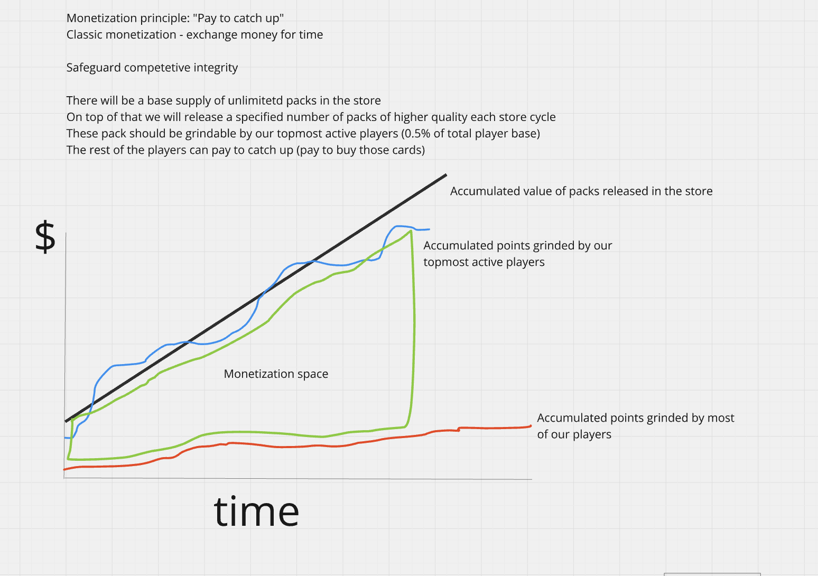
 |  | Model does not care about which items are SC/HC or HC only wec

 |  | Gemeni deep research check
 |  |  | % of total population | Paying % | Gemeni ARRPU
 |  | Persona 1: Core FUT (every day) | 0.2 | 0.3 | $25 - $40
 |  | Persona 2: Dedicated FUT (2-3 times / week) | 0.35 | 0.15 | $10 - $15
 |  | Persona 3: Casual FUT ( a few times / month) | 0.45 | 0.03 | $5 - $10

HARD curr comp console
GBP -> USD | 1.34
EUR -> SEK | 9.36
EUR -> USD | 1.17
SEK -> USD | 0.11

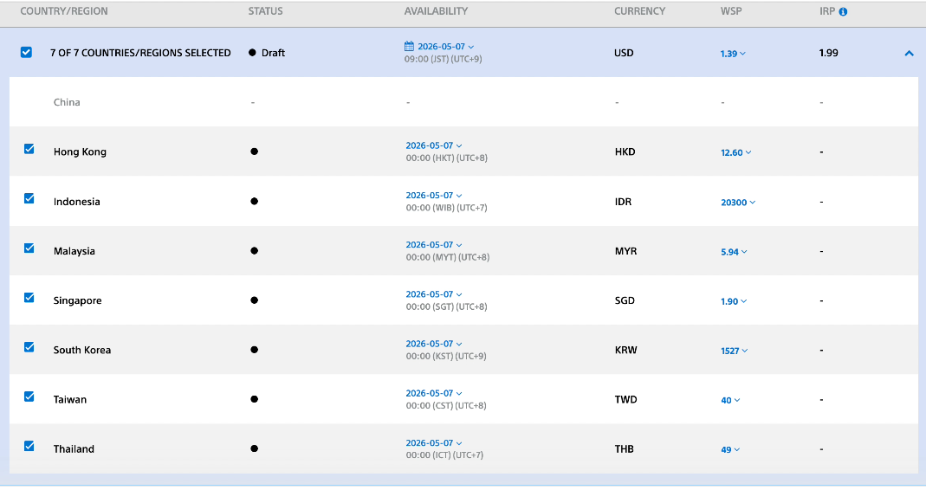

 |  |  |  |  |  |  |  |  |  | Local Currency | USD Currency | Conversion / PS FX
 |  |  |  |  |  |  |  |  | Hong Kong | 12.6 | 1.39 | 9.064748201
 |  |  |  |  |  |  |  |  | Singapore | 1.9 | 1.39 | 1.366906475
 |  |  |  |  |  |  |  |  | Indonesia | 20300 | 1.39 | 14604.31655

 |  |  |  |  |  |  |  |  |  |  |  |  |  | Indonesian Rupiah (IDR)
EA FC |  | This proves you cannot use pure FX conversion to input prices - Local factor is key |  |  |  |  | PlayStation US Prices | Japan — PlayStation Store (JPY) | 1.26 | 7.82 | 16820 | PlayStation Store (SGD) | Hong Kong — PlayStation Store (HKD) | Indonesia — PlayStation Store (IDR)
Hard currency | SEK | USD | USD/Hard Currency | Discount |  | FC Points Pack | US Price (USD) | Price (Japanese Yen) | Recalc. Singapore Dollars (SGD) | Recalc. Hongkong Dollars (HKD) | Recalc. Indonesian Rupiah (IDR) | Approx. Singapore Dollars (SGD) | Price (HKD) | Price (IDR)
100 | 15 | 1.65 | 0.01650 | 0.00% |  | 100 | $0.99 | ¥150 | $1.25 | $7.74 | $16,652 | SGD 1.60 | HK$ 9 | Rp 16,000
500 | 65 | 7.15 | 0.01430 | 13.33% |  | 500 | $4.99 | ¥690 | $6.29 | $39.02 | $83,932 | SGD 7.60 | HK$ 40 | Rp 77,000
1050 | 120 | 13.20 | 0.01257 | 23.81% |  | 1 050 | $9.99 | ¥1 400 | $12.59 | $78.12 | $168,032 | SGD 15.00 | HK$ 78 | Rp 151,000
1600 | 180 | 19.80 | 0.01238 | 25.00% |  | 1 600 | $14.99 | ¥2 100 | $18.89 | $117.22 | $252,132 | SGD 22.00 | HK$ 120 | Rp 230,000
2800 | 279 | 30.69 | 0.01096 | 33.57% |  | 2 800 | $24.99 | ¥3 400 | $31.49 | $195.42 | $420,332 | SGD 35.54 | HK$ 198 | Rp 380,000
5900 | 580 | 63.80 | 0.01081 | 34.46% |  | 5 900 | $49.99 | ¥6 600 | $62.99 | $390.92 | $840,832 | SGD 72.00 | HK$ 398 | Rp 760,000
12000 | 1099 | 120.89 | 0.01007 | 38.94% |  | 12 000 | $99.99 | ¥13 300 | $125.99 | $781.92 | $1,681,832 | SGD 140.48 | HK$ 798 | Rp 1,510,000
18500 | 1649 | 181.39 | 0.00980 | 40.58% |  | 18 500 | $149.99 | ¥19 900 | $188.99 | $1,172.92 | $2,522,832 | SGD 212.00 | HK$ 1,180 | Rp 2,260,000

If you have EA Play most coin bundles are 10% off

FC Points Price Comparison — US vs EU vs Japan
Source Links | https://store.playstation.com/en-us/category/2548d67b-59aa-4045-824c-d606e0021672?utm_source=chatgpt.com | https://fifauteam.com/fc-points-prices-fc-26/?utm_source=chatgpt.com | https://store.playstation.com/ja-jp/category/2548d67b-59aa-4045-824c-d606e0021672?utm_source=chatgpt.com
Points Pack | US (USD) | Europe (EUR) | Japan (JPY) | Price (Japanese Yen)
100 | 0.99 | 0.99 | 150 | ¥150 | 151.5151515
500 | 4.99 | 4.99 | 690 | ¥690 | 138.2765531 |  | 5.04040404 | 4.6
1050 | 9.99 | 9.99 | 1400 | ¥1 400 | 140.1401401 |  | 2.002004008 | 2.028985507
1600 | 14.99 | 14.99 | 2100 | ¥2 100 | 140.0933956 |  | 1.500500501 | 1.5
2800 | 24.99 | 24.99 | 3400 | ¥3 400 | 136.0544218 |  | 1.667111408 | 1.619047619
5900 | 49.99 | 49.99 | 6600 | ¥6 600 | 132.0264053 |  | 2.00040016 | 1.941176471
12000 | 99.99 | 99.99 | 13300 | ¥13 300 | 133.0133013 |  | 2.00020004 | 2.015151515
18500 | 149.99 | 149.99 | 19900 | ¥19 900 | 132.6755117 |  | 1.500050005 | 1.496240602

